Overview
Excel Selection Pane
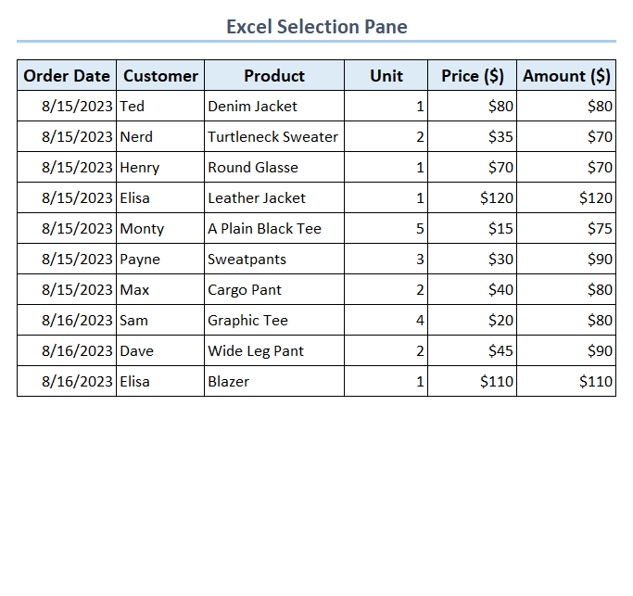



Team ExcelDemy

Find&Select
Getting Selection Pane from Find & Select Group

Team ExcelDemy

PageLayout
Getting Selection Pane from Arrange Group

Team ExcelDemy

keyboard
Using Keyboard Shortcut

Team ExcelDemy

rename
Renaming Objects

Team ExcelDemy

change
Changing Object Orders

Team ExcelDemy

group
Grouping Objects
Team ExcelDemy

hide
Hiding Objects
Team ExcelDemy

