Camera Tool
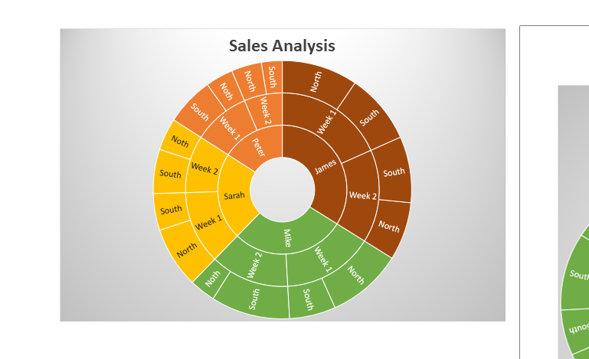
Using Camera Tool

Sales Person | Week | Region | Sales
Peter | Week 1 | Noth | $1,509
 |  | South | $2,634
 | Week 2 | North | $1,647
 |  | South | $1,147
Sarah | Week 1 | North | $3,330
 |  | South | $2,007
 | Week 2 | Noth | $1,761
 |  | South | $2,411
Mike | Week 1 | North | $4,111
 |  | South | $2,526
 | Week 2 | Noth | $1,422
 |  | South | $4,311
James | Week 1 | North | $4,139
 |  | South | $3,848
 | Week 2 | North | $3,169
 |  | South | $3,612

