Height of Chinmey
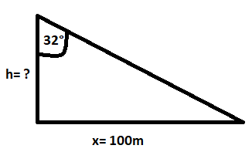
 | Find Height of Chinmey

 | Argument | Value | Unit
 | Distance (x) | 100 | Meter
 | Angle | 32 | Degree
 | Height (h) | 62.486935191 | Meter

Aircraft
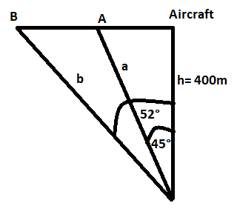
 | Distance of Two Points Using Aircraft

 | Argument | Value | Unit
 | Height (h) | 400 | Meter
 | a | 400 | Meter
 | b | 511.97665288 | Meter
 | Angle A | 45 | Degree
 | Angle B | 52 | Degree
 | Distance | 111.97665288 | Meter

Trapezoid
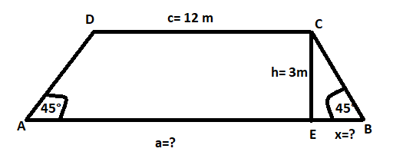
 | Find Area of Trapezoid

 | Argument | Value | Unit
 | c | 12 | Meter
 | x | 3 | Meter
 | a | 18 | Meter
 | h | 3 | Meter
 | Angle A | 45 | Degree
 | Angle B | 45 | Degree
 | Area | 45

