Overview of Large Function
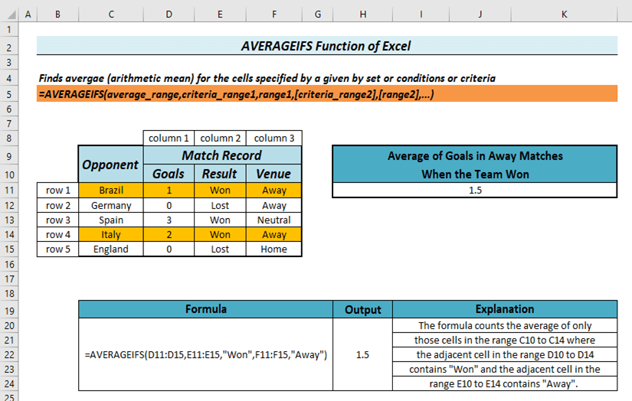
Overview of LARGE Function in Excel

Returns the K-th largest value in a dataset where K must be positive integer
=LARGE(array,k)

Name | Department | Admission Date | Graduation Date | CGPA
James | CSE | 2017-05-02 | 2022-05-02 | 3.55
Jackson | CSE | 2018-01-01 | 2023-01-01 | 3.22
Avery | EEE | 2020-02-05 | 2025-02-05 | 3.77
Jack | ME | 2021-02-05 | 2026-02-05 | 3.67
Eleanor | CE | 2020-09-05 | 2025-09-05 | 3.5
Ellie | CSE | 2019-09-12 | 2024-09-12 | 3.12
Carter | EEE | 2021-01-05 | 2026-01-05 | 3
Hudson | CSE | 2020-09-02 | 2025-09-02 | 3.56

Top 3 Results
Rank | CGPA | Formula | Explanation
1 | 3.77 | =LARGE(F8:F15, 1) | Returns Largest GPA
2 | 3.67 | =LARGE(F8:F15, 2) | Returns 2nd Largest GPA
3 | 3.56 | =LARGE(F8:F15, 3) | Returns 3rd Largest GPA

