GoalSeek
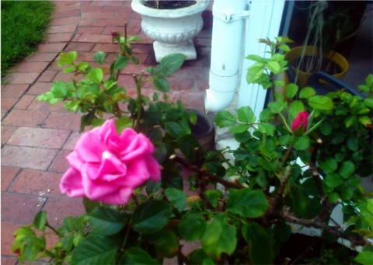 GOAL SEEK EXAMPLE - GROWING ROSES:HOMEMADE TRICKS AND TIPS

 | Weekly amounts

 | Total weekly cost of the banana peels for all rose plants in the garden | $35.00
 | Total weekly cost of baking soda and cooking oil for all rose plants in the garden | $33.00
 | Total weekly cost of craft beer for all rose plants in the garden | $48.00
 | Total weekly cost of special homemade compost mixture (citrus peels, coffee beans and pine bark) | $49.00
 | Homemade remedies for rose gardening budget | $165.00

